Figure1
Figure 1 in FRBSF Economic Letter 2026-20, "Job-Finding Anomalies of the Current Expansion." https://www.frbsf.org/research-and-insights/publications/economic-letter/2026/08/job-finding-anomalies-of-current-expansion/
Suggested citation:
Chen, Ingrid, Marianna Kudlyak, and Riva Mikhlin. 2026. "Job-Finding Anomalies of the Current Expansion." FRBSF Economic Letter 2026-20 (August 3). https://www.frbsf.org/research-and-insights/publications/economic-letter/2026/08/job-finding-anomalies-of-current-expansion/
Opinions expressed do not necessarily reflect the views of the management of the Federal Reserve Bank of San Francisco or the Board of Governors of the Federal Reserve System.
Date | Job finding from nonparticipation | Job finding from unemployment
1990-01-01
1990-02-01 | 5.14 | 30.70
1990-03-01 | 5.10 | 29.57
1990-04-01 | 5.04 | 28.41
1990-05-01 | 4.90 | 28.18
1990-06-01 | 4.90 | 28.28
1990-07-01 | 4.81 | 28.15
1990-08-01 | 4.80 | 26.72
1990-09-01 | 4.71 | 26.70
1990-10-01 | 4.77 | 26.19
1990-11-01 | 4.75 | 26.43
1990-12-01 | 4.65 | 25.76
1991-01-01 | 4.51 | 25.43
1991-02-01 | 4.51 | 25.43
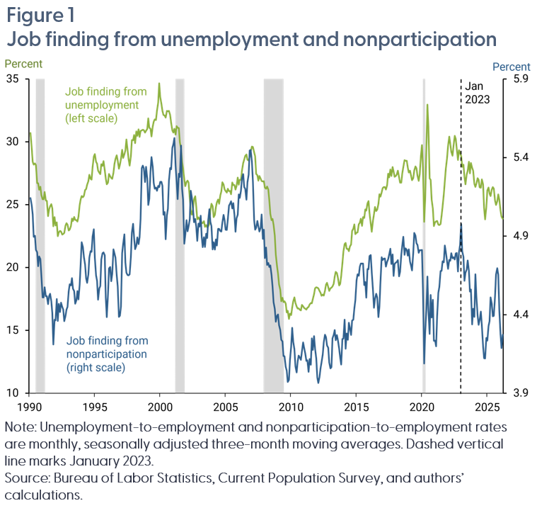
1991-03-01 | 4.57 | 26.02
1991-04-01 | 4.52 | 25.34
1991-05-01 | 4.52 | 25.30
1991-06-01 | 4.47 | 24.10
1991-07-01 | 4.52 | 24.62
1991-08-01 | 4.53 | 24.87
1991-09-01 | 4.49 | 25.05
1991-10-01 | 4.41 | 24.71
1991-11-01 | 4.21 | 23.29
1991-12-01 | 4.37 | 24.02
1992-01-01 | 4.36 | 23.35
1992-02-01 | 4.50 | 23.59
1992-03-01 | 4.36 | 22.49
1992-04-01 | 4.47 | 22.80
1992-05-01 | 4.42 | 22.92
1992-06-01 | 4.48 | 22.87
1992-07-01 | 4.45 | 22.63
1992-08-01 | 4.43 | 22.68
1992-09-01 | 4.36 | 22.75
1992-10-01 | 4.39 | 23.34
1992-11-01 | 4.43 | 23.53
1992-12-01 | 4.45 | 23.42
1993-01-01 | 4.55 | 22.95
1993-02-01 | 4.59 | 23.03
1993-03-01 | 4.59 | 23.30
1993-04-01 | 4.63 | 23.90
1993-05-01 | 4.57 | 23.71
1993-06-01 | 4.55 | 24.03
1993-07-01 | 4.47 | 23.79
1993-08-01 | 4.49 | 23.76
1993-09-01 | 4.55 | 23.66
1993-10-01 | 4.50 | 24.03
1993-11-01 | 4.59 | 24.96
1993-12-01 | 4.72 | 25.41
1994-01-01 | 4.86 | 25.70
1994-02-01 | 4.83 | 25.59
1994-03-01 | 4.77 | 25.70
1994-04-01 | 4.72 | 26.17
1994-05-01 | 4.63 | 26.24
1994-06-01 | 4.60 | 26.59
1994-07-01 | 4.66 | 26.87
1994-08-01 | 4.76 | 27.38
1994-09-01 | 4.80 | 27.06
1994-10-01 | 4.80 | 27.00
1994-11-01 | 4.90 | 28.00
1994-12-01 | 4.94 | 28.83
1995-01-01 | 4.76 | 29.03
1995-02-01 | 4.65 | 28.41
1995-03-01 | 4.62 | 28.27
1995-04-01 | 4.50 | 27.72
1995-05-01 | 4.57 | 27.54
1995-06-01 | 4.58 | 27.43
1995-07-01 | 4.75 | 28.22
1995-08-01 | 4.79 | 28.09
1995-09-01 | 4.80 | 28.47
1995-10-01 | 4.78 | 27.76
1995-11-01 | 4.51 | 27.10
1995-12-01 | 4.38 | 26.62
1996-01-01 | 4.53 | 26.76
1996-02-01 | 4.69 | 27.45
1996-03-01 | 4.70 | 27.25
1996-04-01 | 4.61 | 27.12
1996-05-01 | 4.66 | 27.06
1996-06-01 | 4.82 | 27.55
1996-07-01 | 4.79 | 28.23
1996-08-01 | 4.76 | 28.65
1996-09-01 | 4.65 | 28.93
1996-10-01 | 4.58 | 28.52
1996-11-01 | 4.39 | 27.86
1996-12-01 | 4.39 | 28.20
1997-01-01 | 4.45 | 28.62
1997-02-01 | 4.79 | 29.36
1997-03-01 | 4.85 | 28.72
1997-04-01 | 4.91 | 29.01
1997-05-01 | 4.73 | 29.32
1997-06-01 | 4.67 | 30.20
1997-07-01 | 4.65 | 29.32
1997-08-01 | 4.65 | 28.61
1997-09-01 | 4.66 | 28.11
1997-10-01 | 4.77 | 28.86
1997-11-01 | 4.92 | 30.15
1997-12-01 | 4.98 | 30.12
1998-01-01 | 4.89 | 30.54
1998-02-01 | 4.82 | 29.90
1998-03-01 | 4.84 | 30.84
1998-04-01 | 4.89 | 30.48
1998-05-01 | 4.85 | 30.99
1998-06-01 | 4.89 | 30.40
1998-07-01 | 5.01 | 30.87
1998-08-01 | 5.33 | 30.92
1998-09-01 | 5.35 | 30.96
1998-10-01 | 5.33 | 30.93
1998-11-01 | 5.24 | 30.73
1998-12-01 | 5.34 | 30.89
1999-01-01 | 5.27 | 31.03
1999-02-01 | 5.10 | 31.87
1999-03-01 | 5.14 | 31.13
1999-04-01 | 5.31 | 31.04
1999-05-01 | 5.40 | 30.43
1999-06-01 | 5.34 | 31.22
1999-07-01 | 5.24 | 31.61
1999-08-01 | 5.20 | 31.79
1999-09-01 | 5.21 | 31.73
1999-10-01 | 5.19 | 32.48
1999-11-01 | 5.22 | 33.13
1999-12-01 | 5.21 | 34.66
2000-01-01 | 5.25 | 33.58
2000-02-01 | 5.25 | 33.01
2000-03-01 | 5.22 | 32.47
2000-04-01 | 5.04 | 32.15
2000-05-01 | 5.05 | 32.08
2000-06-01 | 4.88 | 31.94
2000-07-01 | 5.03 | 32.46
2000-08-01 | 5.07 | 32.43
2000-09-01 | 5.25 | 32.47
2000-10-01 | 5.33 | 32.14
2000-11-01 | 5.33 | 31.51
2000-12-01 | 5.46 | 30.89
2001-01-01 | 5.49 | 30.73
2001-02-01 | 5.52 | 31.05
2001-03-01 | 5.35 | 30.58
2001-04-01 | 5.25 | 31.26
2001-05-01 | 5.14 | 31.13
2001-06-01 | 5.30 | 31.09
2001-07-01 | 5.28 | 29.97
2001-08-01 | 5.48 | 29.43
2001-09-01 | 5.20 | 28.39
2001-10-01 | 5.13 | 27.89
2001-11-01 | 4.85 | 26.99
2001-12-01 | 4.91 | 26.49
2002-01-01 | 5.00 | 26.80
2002-02-01 | 4.93 | 26.92
2002-03-01 | 4.96 | 26.78
2002-04-01 | 5.01 | 25.53
2002-05-01 | 5.19 | 24.55
2002-06-01 | 5.15 | 24.21
2002-07-01 | 5.07 | 24.63
2002-08-01 | 4.99 | 25.45
2002-09-01 | 5.01 | 25.67
2002-10-01 | 4.96 | 24.85
2002-11-01 | 4.87 | 23.84
2002-12-01 | 4.98 | 23.99
2003-01-01 | 4.96 | 23.82
2003-02-01 | 5.03 | 23.81
2003-03-01 | 4.90 | 23.52
2003-04-01 | 4.83 | 23.55
2003-05-01 | 4.89 | 23.68
2003-06-01 | 4.83 | 23.24
2003-07-01 | 4.92 | 23.39
2003-08-01 | 4.89 | 23.20
2003-09-01 | 5.00 | 23.27
2003-10-01 | 5.07 | 23.49
2003-11-01 | 4.99 | 24.54
2003-12-01 | 4.96 | 25.07
2004-01-01 | 4.82 | 24.88
2004-02-01 | 4.86 | 24.01
2004-03-01 | 4.81 | 24.19
2004-04-01 | 4.88 | 24.80
2004-05-01 | 4.84 | 25.20
2004-06-01 | 4.95 | 25.42
2004-07-01 | 4.95 | 25.08
2004-08-01 | 4.93 | 25.75
2004-09-01 | 4.93 | 26.06
2004-10-01 | 4.99 | 26.79
2004-11-01 | 5.03 | 26.61
2004-12-01 | 5.00 | 26.22
2005-01-01 | 4.94 | 26.10
2005-02-01 | 4.94 | 25.96
2005-03-01 | 5.01 | 26.27
2005-04-01 | 5.09 | 26.08
2005-05-01 | 5.11 | 26.09
2005-06-01 | 5.12 | 25.83
2005-07-01 | 5.08 | 26.77
2005-08-01 | 5.11 | 26.55
2005-09-01 | 5.03 | 26.57
2005-10-01 | 4.93 | 26.21
2005-11-01 | 5.01 | 26.47
2005-12-01 | 5.04 | 27.16
2006-01-01 | 5.17 | 26.59
2006-02-01 | 5.14 | 26.97
2006-03-01 | 5.19 | 26.98
2006-04-01 | 5.27 | 27.72
2006-05-01 | 5.29 | 28.32
2006-06-01 | 5.21 | 28.58
2006-07-01 | 5.20 | 28.88
2006-08-01 | 5.13 | 29.00
2006-09-01 | 5.24 | 28.58
2006-10-01 | 5.29 | 28.51
2006-11-01 | 5.45 | 28.81
2006-12-01 | 5.45 | 29.24
2007-01-01 | 5.37 | 29.62
2007-02-01 | 5.25 | 29.59
2007-03-01 | 5.00 | 29.17
2007-04-01 | 4.94 | 28.85
2007-05-01 | 4.95 | 27.44
2007-06-01 | 5.00 | 27.35
2007-07-01 | 4.96 | 26.92
2007-08-01 | 4.93 | 27.29
2007-09-01 | 4.95 | 27.08
2007-10-01 | 5.04 | 26.88
2007-11-01 | 4.88 | 26.86
2007-12-01 | 4.94 | 26.86
2008-01-01 | 4.76 | 26.37
2008-02-01 | 4.83 | 26.27
2008-03-01 | 4.72 | 26.44
2008-04-01 | 4.73 | 26.21
2008-05-01 | 4.70 | 25.34
2008-06-01 | 4.71 | 24.27
2008-07-01 | 4.65 | 23.77
2008-08-01 | 4.58 | 23.86
2008-09-01 | 4.48 | 23.39
2008-10-01 | 4.44 | 22.55
2008-11-01 | 4.35 | 21.03
2008-12-01 | 4.39 | 20.12
2009-01-01 | 4.40 | 19.52
2009-02-01 | 4.33 | 18.65
2009-03-01 | 4.30 | 18.24
2009-04-01 | 4.24 | 17.31
2009-05-01 | 4.23 | 17.59
2009-06-01 | 4.14 | 17.25
2009-07-01 | 4.14 | 17.32
2009-08-01 | 4.07 | 17.14
2009-09-01 | 4.04 | 16.43
2009-10-01 | 3.97 | 16.57
2009-11-01 | 3.98 | 15.92
2009-12-01 | 4.11 | 16.34
2010-01-01 | 4.20 | 16.22
2010-02-01 | 4.32 | 16.83
2010-03-01 | 4.23 | 17.30
2010-04-01 | 4.18 | 17.63
2010-05-01 | 4.07 | 17.19
2010-06-01 | 4.03 | 16.90
2010-07-01 | 4.10 | 16.74
2010-08-01 | 4.14 | 16.76
2010-09-01 | 4.13 | 16.63
2010-10-01 | 4.11 | 16.59
2010-11-01 | 4.17 | 17.03
2010-12-01 | 4.22 | 16.91
2011-01-01 | 4.19 | 16.78
2011-02-01 | 4.15 | 16.72
2011-03-01 | 4.11 | 16.66
2011-04-01 | 4.11 | 16.80
2011-05-01 | 4.04 | 16.86
2011-06-01 | 4.12 | 17.06
2011-07-01 | 4.08 | 17.18
2011-08-01 | 4.25 | 17.16
2011-09-01 | 4.18 | 17.49
2011-10-01 | 4.26 | 17.88
2011-11-01 | 4.18 | 18.35
2011-12-01 | 4.12 | 18.43
2012-01-01 | 4.00 | 18.40
2012-02-01 | 3.97 | 18.35
2012-03-01 | 4.00 | 18.15
2012-04-01 | 4.06 | 18.00
2012-05-01 | 4.10 | 17.75
2012-06-01 | 4.15 | 17.85
2012-07-01 | 4.23 | 17.77
2012-08-01 | 4.27 | 18.15
2012-09-01 | 4.26 | 18.64
2012-10-01 | 4.20 | 18.79
2012-11-01 | 4.19 | 18.44
2012-12-01 | 4.10 | 18.14
2013-01-01 | 4.06 | 18.36
2013-02-01 | 4.07 | 18.40
2013-03-01 | 4.25 | 18.50
2013-04-01 | 4.27 | 18.71
2013-05-01 | 4.30 | 19.26
2013-06-01 | 4.24 | 19.65
2013-07-01 | 4.27 | 19.56
2013-08-01 | 4.24 | 19.17
2013-09-01 | 4.18 | 18.58
2013-10-01 | 4.13 | 18.70
2013-11-01 | 4.08 | 19.32
2013-12-01 | 4.25 | 20.33
2014-01-01 | 4.25 | 21.28
2014-02-01 | 4.37 | 21.87
2014-03-01 | 4.18 | 21.97
2014-04-01 | 4.28 | 21.49
2014-05-01 | 4.24 | 21.47
2014-06-01 | 4.35 | 21.30
2014-07-01 | 4.31 | 21.67
2014-08-01 | 4.27 | 21.84
2014-09-01 | 4.36 | 22.91
2014-10-01 | 4.37 | 23.09
2014-11-01 | 4.44 | 23.43
2014-12-01 | 4.49 | 22.66
2015-01-01 | 4.62 | 22.77
2015-02-01 | 4.66 | 22.81
2015-03-01 | 4.65 | 23.44
2015-04-01 | 4.71 | 23.56
2015-05-01 | 4.73 | 23.88
2015-06-01 | 4.73 | 23.31
2015-07-01 | 4.73 | 24.01
2015-08-01 | 4.59 | 23.95
2015-09-01 | 4.61 | 24.63
2015-10-01 | 4.51 | 24.53
2015-11-01 | 4.69 | 25.10
2015-12-01 | 4.69 | 25.29
2016-01-01 | 4.77 | 24.34
2016-02-01 | 4.78 | 23.52
2016-03-01 | 4.67 | 22.85
2016-04-01 | 4.56 | 23.72
2016-05-01 | 4.44 | 24.23
2016-06-01 | 4.50 | 24.83
2016-07-01 | 4.53 | 24.50
2016-08-01 | 4.51 | 24.61
2016-09-01 | 4.39 | 25.06
2016-10-01 | 4.45 | 25.84
2016-11-01 | 4.61 | 25.64
2016-12-01 | 4.77 | 25.98
2017-01-01 | 4.75 | 26.32
2017-02-01 | 4.76 | 26.40
2017-03-01 | 4.76 | 26.40
2017-04-01 | 4.71 | 26.21
2017-05-01 | 4.74 | 26.56
2017-06-01 | 4.75 | 27.47
2017-07-01 | 4.78 | 27.17
2017-08-01 | 4.82 | 27.80
2017-09-01 | 4.72 | 27.29
2017-10-01 | 4.78 | 27.99
2017-11-01 | 4.65 | 27.65
2017-12-01 | 4.72 | 27.22
2018-01-01 | 4.73 | 27.29
2018-02-01 | 4.74 | 27.41
2018-03-01 | 4.75 | 27.70
2018-04-01 | 4.64 | 27.19
2018-05-01 | 4.67 | 26.75
2018-06-01 | 4.78 | 26.76
2018-07-01 | 4.84 | 27.51
2018-08-01 | 4.90 | 28.00
2018-09-01 | 4.78 | 28.54
2018-10-01 | 4.82 | 28.49
2018-11-01 | 4.81 | 28.50
2018-12-01 | 4.78 | 27.97
2019-01-01 | 4.82 | 27.57
2019-02-01 | 4.74 | 27.70
2019-03-01 | 4.71 | 27.33
2019-04-01 | 4.68 | 26.95
2019-05-01 | 4.79 | 27.11
2019-06-01 | 4.92 | 27.72
2019-07-01 | 4.90 | 28.04
2019-08-01 | 4.85 | 27.90
2019-09-01 | 4.84 | 27.31
2019-10-01 | 4.79 | 26.89
2019-11-01 | 4.81 | 27.44
2019-12-01 | 4.81 | 28.89
2020-01-01 | 4.81 | 29.73
2020-02-01 | 4.56 | 27.90
2020-03-01 | 4.09 | 23.64
2020-04-01 | 4.29 | 25.41
2020-05-01 | 4.44 | 29.58
2020-06-01 | 4.64 | 32.96
2020-07-01 | 4.42 | 31.17
2020-08-01 | 4.28 | 27.08
2020-09-01 | 4.53 | 26.98
2020-10-01 | 4.38 | 25.40
2020-11-01 | 4.49 | 24.67
2020-12-01 | 4.23 | 23.31
2021-01-01 | 4.23 | 23.62
2021-02-01 | 4.20 | 23.68
2021-03-01 | 4.39 | 23.70
2021-04-01 | 4.54 | 23.41
2021-05-01 | 4.58 | 23.39
2021-06-01 | 4.68 | 23.47
2021-07-01 | 4.68 | 24.13
2021-08-01 | 4.74 | 24.85
2021-09-01 | 4.73 | 25.84
2021-10-01 | 4.84 | 26.87
2021-11-01 | 4.80 | 27.87
2021-12-01 | 4.74 | 28.71
2022-01-01 | 4.69 | 29.67
2022-02-01 | 4.75 | 30.42
2022-03-01 | 4.74 | 29.84
2022-04-01 | 4.79 | 29.20
2022-05-01 | 4.76 | 28.90
2022-06-01 | 4.77 | 29.67
2022-07-01 | 4.75 | 30.48
2022-08-01 | 4.79 | 30.23
2022-09-01 | 4.79 | 29.43
2022-10-01 | 4.68 | 28.56
2022-11-01 | 4.80 | 29.33
2022-12-01 | 4.84 | 29.13
2023-01-01 | 4.98 | 28.87
2023-02-01 | 4.80 | 28.01
2023-03-01 | 4.77 | 28.19
2023-04-01 | 4.62 | 27.22
2023-05-01 | 4.67 | 26.63
2023-06-01 | 4.69 | 27.40
2023-07-01 | 4.75 | 27.68
2023-08-01 | 4.68 | 28.42
2023-09-01 | 4.55 | 27.50
2023-10-01 | 4.56 | 28.32
2023-11-01 | 4.34 | 27.93
2023-12-01 | 4.44 | 27.70
2024-01-01 | 4.39 | 26.66
2024-02-01 | 4.66 | 26.42
2024-03-01 | 4.51 | 26.67
2024-04-01 | 4.40 | 27.10
2024-05-01 | 4.34 | 26.97
2024-06-01 | 4.37 | 26.39
2024-07-01 | 4.42 | 26.35
2024-08-01 | 4.33 | 27.01
2024-09-01 | 4.20 | 26.62
2024-10-01 | 4.12 | 24.74
2024-11-01 | 4.12 | 23.83
2024-12-01 | 4.25 | 24.81
2025-01-01 | 4.23 | 26.14
2025-02-01 | 4.33 | 26.36
2025-03-01 | 4.36 | 25.89
2025-04-01 | 4.51 | 25.69
2025-05-01 | 4.47 | 26.20
2025-06-01 | 4.39 | 26.39
2025-07-01 | 4.39 | 26.28
2025-08-01 | 4.52 | 25.34
2025-09-01 | 4.66 | 24.98
2025-10-01 | 4.70 | 25.28
2025-11-01 | 4.65 | 25.81
2025-12-01 | 4.44 | 25.44
2026-01-01 | 4.28 | 24.56
2026-02-01 | 4.19 | 24.06
2026-03-01 | 4.27 | 23.88

Figure2
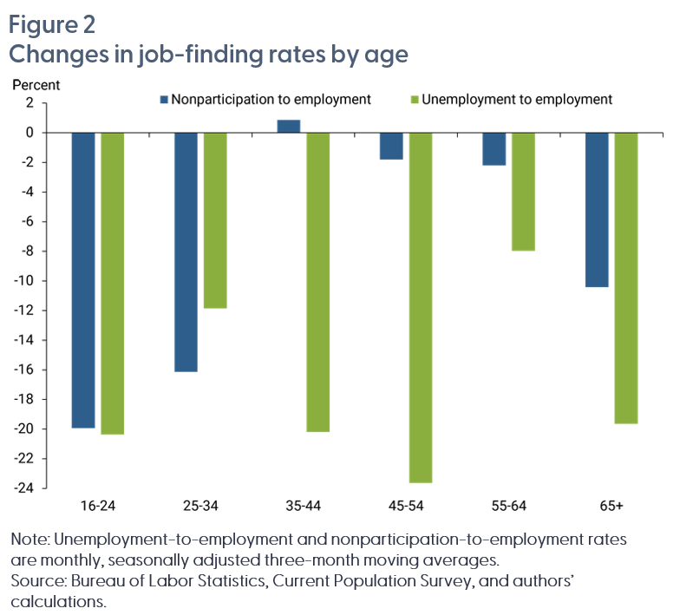
Age Group | Nonparticipation to employment | Unemployment to employment
16-24 | -19.94 | -20.36
25-34 | -16.14 | -11.86
35-44 | 0.87 | -20.19
45-54 | -1.80 | -23.64
55-64 | -2.20 | -7.98
65+ | -10.41 | -19.65

Figure 2 in FRBSF Economic Letter 2026-20, "Job-Finding Anomalies of the Current Expansion." https://www.frbsf.org/research-and-insights/publications/economic-letter/2026/08/job-finding-anomalies-of-current-expansion/
Suggested citation:
Chen, Ingrid, Marianna Kudlyak, and Riva Mikhlin. 2026. "Job-Finding Anomalies of the Current Expansion." FRBSF Economic Letter 2026-20 (August 3). https://www.frbsf.org/research-and-insights/publications/economic-letter/2026/08/job-finding-anomalies-of-current-expansion/
Opinions expressed do not necessarily reflect the views of the management of the Federal Reserve Bank of San Francisco or the Board of Governors of the Federal Reserve System.

Figure3
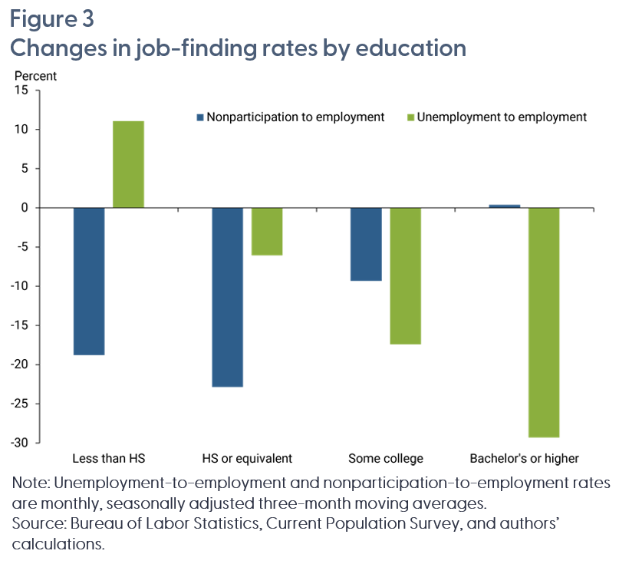
Education Level | Nonparticipation to employment | Unemployment to employment
Less than HS | -18.80 | 11.07
HS or equiv. | -22.84 | -6.07
Some college | -9.31 | -17.41
Bachelor's or higher | 0.40 | -29.30

Figure 3 in FRBSF Economic Letter 2026-20, "Job-Finding Anomalies of the Current Expansion." https://www.frbsf.org/research-and-insights/publications/economic-letter/2026/08/job-finding-anomalies-of-current-expansion/
Suggested citation:
Chen, Ingrid, Marianna Kudlyak, and Riva Mikhlin. 2026. "Job-Finding Anomalies of the Current Expansion." FRBSF Economic Letter 2026-20 (August 3). https://www.frbsf.org/research-and-insights/publications/economic-letter/2026/08/job-finding-anomalies-of-current-expansion/
Opinions expressed do not necessarily reflect the views of the management of the Federal Reserve Bank of San Francisco or the Board of Governors of the Federal Reserve System.

Figure4
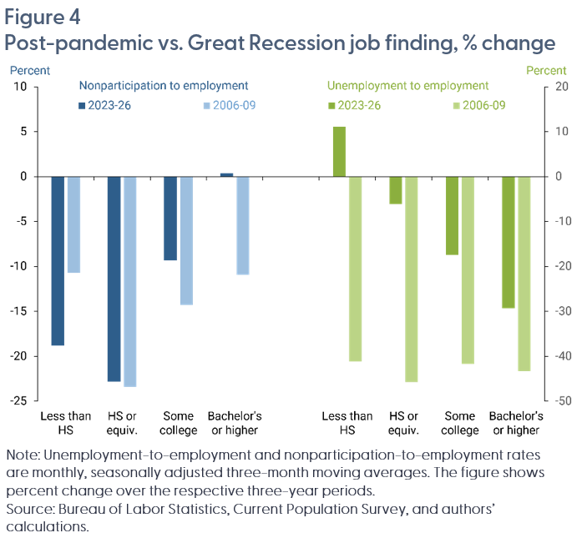
 | Nonparticipation to employment |  | Unemployment to employment
Education Level | 2023-26 | 2006-09 | 2023-26 | 2006-09
Less than HS | -18.80 | -10.69 | 11.07 | -41.16
HS or equiv. | -22.84 | -23.37 | -6.07 | -45.72
Some college | -9.31 | -14.29 | -17.41 | -41.76
Bachelor's or higher | 0.40 | -10.92 | -29.30 | -43.33

Figure 4 in FRBSF Economic Letter 2026-20, "Job-Finding Anomalies of the Current Expansion." https://www.frbsf.org/research-and-insights/publications/economic-letter/2026/08/job-finding-anomalies-of-current-expansion/
Suggested citation:
Chen, Ingrid, Marianna Kudlyak, and Riva Mikhlin. 2026. "Job-Finding Anomalies of the Current Expansion." FRBSF Economic Letter 2026-20 (August 3). https://www.frbsf.org/research-and-insights/publications/economic-letter/2026/08/job-finding-anomalies-of-current-expansion/
Opinions expressed do not necessarily reflect the views of the management of the Federal Reserve Bank of San Francisco or the Board of Governors of the Federal Reserve System.

