Figure 1
Figure 1 in FRBSF Economic Letter 2026-22, "Assessing a Medium-Run Natural Rate of Interest." https://www.frbsf.org/research-and-insights/publications/economic-letter/2026/08/assessing-medium-run-natural-rate-of-interest/
Suggested citation:
Cúrdia, Vasco. 2026. "Assessing a Medium-Run Natural Rate of Interest." FRBSF Economic Letter 2026-22 (August 17). https://www.frbsf.org/research-and-insights/publications/economic-letter/2026/08/assessing-medium-run-natural-rate-of-interest/
Opinions expressed do not necessarily reflect the views of the management of the Federal Reserve Bank of San Francisco or the Board of Governors of the Federal Reserve System.
Date | Model Estimate | Lower Bound | Upper Bound | HLW (2023)
1987q2 | 3.691444 | 2.001214 | 5.130884 | 3.488046815
1987q3 | 3.613783 | 2.004818 | 4.911455 | 3.46987237
1987q4 | 4.149112 | 2.587288 | 5.38171 | 3.70532877
1988q1 | 3.470488 | 1.979547 | 4.748315 | 3.57556288
1988q2 | 4.329799 | 2.866139 | 5.551512 | 3.76024166
1988q3 | 4.566897 | 3.159428 | 5.766427 | 3.671835921
1988q4 | 5.278016 | 3.868368 | 6.433453 | 3.788445244
1989q1 | 5.510067 | 4.181075 | 6.643626 | 3.80015692
1989q2 | 5.113309 | 3.826177 | 6.232629 | 3.714441172
1989q3 | 4.382807 | 3.110264 | 5.463945 | 3.641570087
1989q4 | 3.549666 | 2.284521 | 4.61167 | 3.564015691
1990q1 | 3.299129 | 2.021626 | 4.350206 | 3.770860077
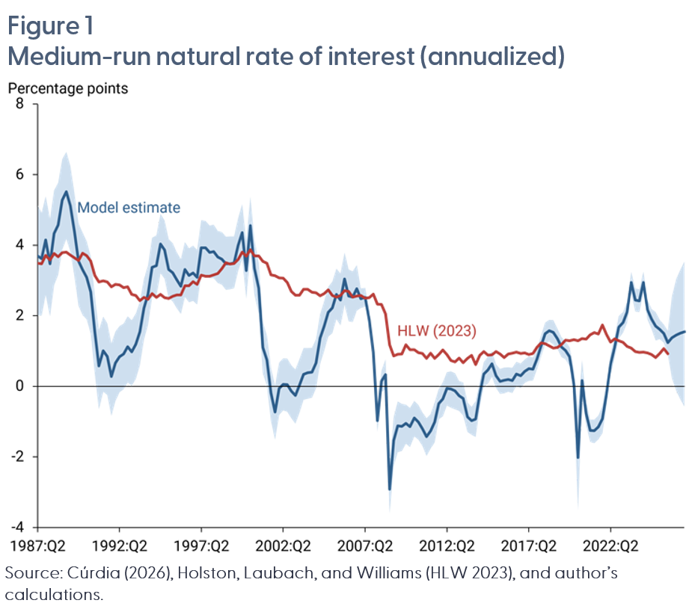
1990q2 | 3.090312 | 1.896477 | 4.111908 | 3.700208675
1990q3 | 2.675766 | 1.488473 | 3.676222 | 3.546633781
1990q4 | 1.542689 | 0.35234 | 2.572153 | 3.144509702
1991q1 | 0.577109 | -0.648516 | 1.592671 | 2.954904683
1991q2 | 1.006504 | -0.153063 | 1.975109 | 2.988779016
1991q3 | 0.848373 | -0.24264 | 1.779689 | 2.952981067
1991q4 | 0.274005 | -0.832333 | 1.211057 | 2.816805049
1992q1 | 0.661532 | -0.415278 | 1.555442 | 2.891482692
1992q2 | 0.83513 | -0.164044 | 1.706445 | 2.872257241
1992q3 | 0.911087 | -0.083563 | 1.773822 | 2.792470179
1992q4 | 1.123919 | 0.112356 | 1.978433 | 2.817893174
1993q1 | 0.977544 | 0.019698 | 1.875592 | 2.601378205
1993q2 | 1.191554 | 0.206897 | 2.061704 | 2.574652175
1993q3 | 1.542058 | 0.60365 | 2.397752 | 2.427625727
1993q4 | 2.209108 | 1.323988 | 3.042944 | 2.517442041
1994q1 | 2.612753 | 1.740492 | 3.423834 | 2.468524473
1994q2 | 3.368967 | 2.530254 | 4.20447 | 2.627052836
1994q3 | 3.419984 | 2.557523 | 4.277657 | 2.520448502
1994q4 | 4.031621 | 3.20513 | 4.886944 | 2.603452983
1995q1 | 3.861198 | 3.045653 | 4.699526 | 2.515338653
1995q2 | 3.312874 | 2.505139 | 4.168856 | 2.48792832
1995q3 | 3.219594 | 2.402422 | 4.053234 | 2.552478655
1995q4 | 3.018327 | 2.210795 | 3.792425 | 2.589386
1996q1 | 2.830179 | 2.049362 | 3.598862 | 2.591344409
1996q2 | 3.310612 | 2.533368 | 4.083727 | 2.850865006
1996q3 | 3.139664 | 2.382421 | 3.910584 | 2.852819057
1996q4 | 3.210108 | 2.420507 | 3.984475 | 2.965764874
1997q1 | 3.09074 | 2.322172 | 3.862264 | 2.889317578
1997q2 | 3.921238 | 3.190072 | 4.710816 | 3.151937363
1997q3 | 3.924355 | 3.160128 | 4.684086 | 3.121384691
1997q4 | 3.793328 | 3.065098 | 4.551284 | 3.117942678
1998q1 | 3.81605 | 3.067596 | 4.577804 | 3.158028155
1998q2 | 3.666391 | 2.923616 | 4.399885 | 3.193140245
1998q3 | 3.604218 | 2.876608 | 4.36893 | 3.332411126
1998q4 | 3.47252 | 2.734853 | 4.242134 | 3.501076835
1999q1 | 3.474869 | 2.748262 | 4.244517 | 3.462442437
1999q2 | 3.490532 | 2.780235 | 4.247598 | 3.477144248
1999q3 | 3.990149 | 3.270734 | 4.757703 | 3.597666891
1999q4 | 4.354459 | 3.606418 | 5.156778 | 3.801579629
2000q1 | 3.276566 | 2.484295 | 4.101831 | 3.682621402
2000q2 | 4.557411 | 3.795981 | 5.373638 | 3.870134592
2000q3 | 3.338779 | 2.59445 | 4.136371 | 3.696323449
2000q4 | 2.777075 | 2.057016 | 3.498381 | 3.697320458
2001q1 | 1.098093 | 0.360956 | 1.824163 | 3.537542831
2001q2 | 0.748724 | 0.019521 | 1.434461 | 3.490197514
2001q3 | -0.191973 | -0.982732 | 0.523929 | 3.157572369
2001q4 | -0.731898 | -1.511439 | 0.018896 | 3.132869835
2002q1 | -0.063178 | -0.813894 | 0.669428 | 3.073196206
2002q2 | 0.0581 | -0.681524 | 0.791254 | 3.063590683
2002q3 | 0.044794 | -0.717926 | 0.783369 | 2.939477682
2002q4 | -0.136881 | -0.902389 | 0.591117 | 2.689096024
2003q1 | -0.260953 | -1.056104 | 0.480155 | 2.580132459
2003q2 | 0.029992 | -0.741023 | 0.772751 | 2.577265122
2003q3 | 0.341458 | -0.381299 | 1.086793 | 2.751596559
2003q4 | 0.382891 | -0.353481 | 1.081081 | 2.746980034
2004q1 | 0.397235 | -0.318907 | 1.092236 | 2.665077022
2004q2 | 0.66212 | -0.055838 | 1.340202 | 2.647413319
2004q3 | 1.367724 | 0.638184 | 2.041278 | 2.56643231
2004q4 | 1.70326 | 1.009508 | 2.414277 | 2.62797807
2005q1 | 2.100538 | 1.404218 | 2.819518 | 2.735968808
2005q2 | 2.216492 | 1.505016 | 2.967625 | 2.570415313
2005q3 | 2.600536 | 1.906321 | 3.335035 | 2.526734016
2005q4 | 2.445352 | 1.728345 | 3.191722 | 2.575282274
2006q1 | 3.041272 | 2.30891 | 3.783578 | 2.714886038
2006q2 | 2.557384 | 1.842259 | 3.313512 | 2.688091461
2006q3 | 2.529574 | 1.823822 | 3.257257 | 2.525351626
2006q4 | 2.766224 | 2.143922 | 3.434132 | 2.55922123
2007q1 | 2.483828 | 2.218164 | 2.776143 | 2.571262825
2007q2 | 2.520078 | 2.257371 | 2.784887 | 2.49835391
2007q3 | 1.884867 | 1.623295 | 2.14671 | 2.515343091
2007q4 | 0.960087 | 0.703735 | 1.221882 | 2.613775438
2008q1 | -0.974843 | -1.289315 | -0.64612 | 2.328818918
2008q2 | 0.144656 | -0.158127 | 0.44219 | 2.321354846
2008q3 | 0.334081 | -0.090621 | 0.760136 | 2.054281166
2008q4 | -2.913209 | -3.606805 | -2.244331 | 1.173405022
2009q1 | -1.537519 | -2.258116 | -0.875816 | 0.860146021
2009q2 | -1.118808 | -1.860815 | -0.427826 | 0.90928759
2009q3 | -1.132501 | -1.836129 | -0.49419 | 0.914024944
2009q4 | -1.053128 | -1.624855 | -0.522737 | 1.177061111
2010q1 | -1.146196 | -1.719818 | -0.615224 | 1.034635031
2010q2 | -0.898057 | -1.419791 | -0.414588 | 1.040998
2010q3 | -1.009551 | -1.510036 | -0.527291 | 0.955086871
2010q4 | -1.200336 | -1.685193 | -0.740369 | 0.93256098
2011q1 | -1.423972 | -1.969947 | -0.90553 | 0.788252535
2011q2 | -1.265685 | -1.761839 | -0.791276 | 0.940828412
2011q3 | -1.014181 | -1.584081 | -0.462879 | 0.788608683
2011q4 | -0.48694 | -0.932705 | -0.078573 | 0.902860988
2012q1 | -0.359879 | -0.85244 | 0.109144 | 1.028758201
2012q2 | -0.058768 | -0.542149 | 0.400091 | 0.897229081
2012q3 | -0.072404 | -0.601949 | 0.426351 | 0.729681207
2012q4 | -0.129851 | -0.653963 | 0.367322 | 0.690439462
2013q1 | -0.266942 | -0.695594 | 0.144675 | 0.798046469
2013q2 | -0.345926 | -0.831637 | 0.112434 | 0.671449536
2013q3 | -0.868831 | -1.294532 | -0.456009 | 0.791308585
2013q4 | -0.976782 | -1.374865 | -0.583875 | 0.875059331
2014q1 | -0.927262 | -1.43747 | -0.423848 | 0.612456572
2014q2 | -0.21986 | -0.595031 | 0.141888 | 0.878578823
2014q3 | 0.344977 | -0.004443 | 0.682432 | 0.984750938
2014q4 | 0.465601 | 0.073839 | 0.840786 | 0.881469395
2015q1 | 0.637457 | 0.27287 | 0.989427 | 0.893180646
2015q2 | 0.297569 | -0.044407 | 0.624755 | 0.981273142
2015q3 | 0.139788 | -0.211911 | 0.490825 | 0.911049308
2015q4 | 0.172862 | -0.197884 | 0.530164 | 0.811442506
2016q1 | 0.196369 | -0.152062 | 0.539628 | 0.911147569
2016q2 | 0.16554 | -0.188712 | 0.524725 | 0.935682644
2016q3 | 0.350524 | 0.018073 | 0.69159 | 0.970605082
2016q4 | 0.298799 | -0.055083 | 0.644298 | 0.933362877
2017q1 | 0.424103 | 0.098653 | 0.758875 | 0.94822952
2017q2 | 0.500864 | 0.151835 | 0.849455 | 0.900450443
2017q3 | 0.488357 | 0.164543 | 0.813645 | 0.93127622
2017q4 | 0.775928 | 0.493637 | 1.060096 | 1.108137
2018q1 | 1.142845 | 0.847174 | 1.444623 | 1.233086941
2018q2 | 1.491139 | 1.191725 | 1.801847 | 1.206859427
2018q3 | 1.575259 | 1.274603 | 1.881741 | 1.141311097
2018q4 | 1.525145 | 1.174411 | 1.875068 | 1.084277019
2019q1 | 1.354951 | 1.066155 | 1.639542 | 1.100866838
2019q2 | 1.11387 | 0.830371 | 1.393417 | 1.184704931
2019q3 | 1.01832 | 0.759449 | 1.278418 | 1.306083215
2019q4 | 0.837169 | 0.578395 | 1.107552 | 1.289617578
2020q1 | 0.058718 | -0.357876 | 0.455381 | 1.319796739
2020q2 | -2.017739 | -3.516975 | -0.659591 | 1.288382679
2020q3 | 0.16366 | -0.311908 | 0.744449 | 1.355621934
2020q4 | -0.774901 | -1.110336 | -0.435259 | 1.335675959
2021q1 | -1.253149 | -1.573123 | -0.945406 | 1.462656928
2021q2 | -1.260854 | -1.611219 | -0.940614 | 1.523159461
2021q3 | -1.147663 | -1.499905 | -0.826044 | 1.481080768
2021q4 | -0.920361 | -1.324126 | -0.561131 | 1.738672335
2022q1 | -0.223712 | -0.541459 | 0.109486 | 1.468160381
2022q2 | 0.62664 | 0.321002 | 0.939237 | 1.255896685
2022q3 | 1.106772 | 0.808477 | 1.408605 | 1.347579174
2022q4 | 1.676432 | 1.355492 | 1.985861 | 1.287388089
2023q1 | 1.806881 | 1.519593 | 2.102246 | 1.246864956
2023q2 | 2.101365 | 1.805184 | 2.396634 | 1.133202254
2023q3 | 2.938926 | 2.632991 | 3.243061 | 1.082031857
2023q4 | 2.442565 | 2.121756 | 2.772714 | 0.984452666
2024q1 | 2.421547 | 2.1016 | 2.748892 | 0.963893627
2024q2 | 2.944632 | 2.64776 | 3.25185 | 0.970202404
2024q3 | 2.168518 | 1.88837 | 2.453836 | 0.945997981
2024q4 | 1.90792 | 1.624284 | 2.185836 | 0.89711028
2025q1 | 1.70765 | 1.296759 | 2.105723 | 0.817734059
2025q2 | 1.613152 | 1.336842 | 1.879422 | 0.927546543
2025q3 | 1.497374 | 1.236382 | 1.754542 | 1.069126465
2025q4 | 1.238871 | 0.903746 | 1.569702 | 0.923668896
2026q1 | 1.377791 | 0.228396 | 2.538658
2026q2 | 1.450178 | -0.127856 | 3.038393
2026q3 | 1.502744 | -0.366908 | 3.299885
2026q4 | 1.54535 | -0.57263 | 3.535167

Figure 2
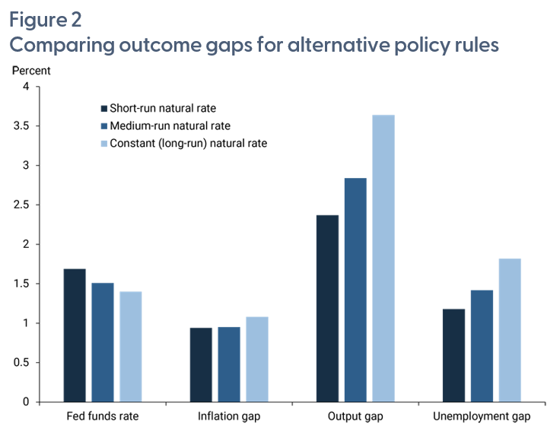
Type of Rate | Fed funds rate | Inflation gap | Output gap | Unemployment gap
Short-run natural rate | 1.69 | 0.94 | 2.37 | 1.18
Medium-run natural rate | 1.51 | 0.95 | 2.84 | 1.42
Constant (long-run) natural rate | 1.4 | 1.08 | 3.64 | 1.82

Figure 2 in FRBSF Economic Letter 2026-22, "Assessing a Medium-Run Natural Rate of Interest." https://www.frbsf.org/research-and-insights/publications/economic-letter/2026/08/assessing-medium-run-natural-rate-of-interest/
Suggested citation:
Cúrdia, Vasco. 2026. "Assessing a Medium-Run Natural Rate of Interest." FRBSF Economic Letter 2026-22 (August 17). https://www.frbsf.org/research-and-insights/publications/economic-letter/2026/08/assessing-medium-run-natural-rate-of-interest/
Opinions expressed do not necessarily reflect the views of the management of the Federal Reserve Bank of San Francisco or the Board of Governors of the Federal Reserve System.

Figure 3
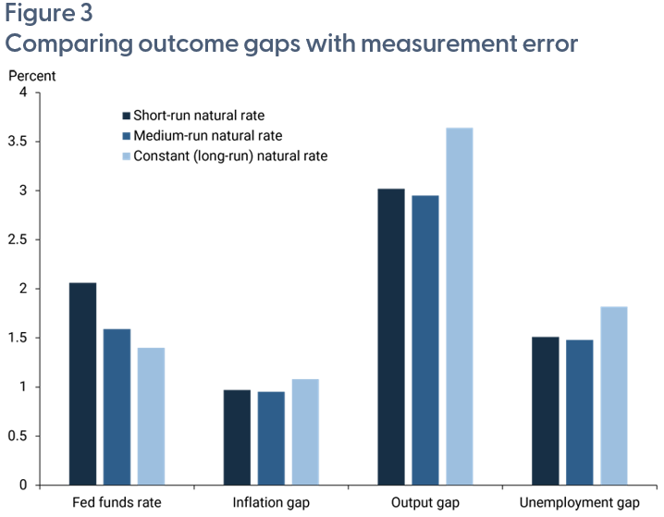
Type of Rate | Fed funds rate | Inflation gap | Output gap | Unemployment gap
Short-run natural rate | 2.06 | 0.97 | 3.02 | 1.51
Medium-run natural rate | 1.59 | 0.95 | 2.95 | 1.48
Constant (long-run) natural rate | 1.4 | 1.08 | 3.64 | 1.82

Figure 3 in FRBSF Economic Letter 2026-22, "Assessing a Medium-Run Natural Rate of Interest." https://www.frbsf.org/research-and-insights/publications/economic-letter/2026/08/assessing-medium-run-natural-rate-of-interest/
Suggested citation:
Cúrdia, Vasco. 2026. "Assessing a Medium-Run Natural Rate of Interest." FRBSF Economic Letter 2026-22 (August 17). https://www.frbsf.org/research-and-insights/publications/economic-letter/2026/08/assessing-medium-run-natural-rate-of-interest/
Opinions expressed do not necessarily reflect the views of the management of the Federal Reserve Bank of San Francisco or the Board of Governors of the Federal Reserve System.

