Figure 1
Figure 1 in FRBSF Economic Letter 2026-24, "Consumer Vibe Check: Gas Prices and Inflation Expectations."
https://www.frbsf.org/research-and-insights/publications/economic-letter/2026/08/consumer-vibe-check-gas-prices-and-inflation-expectations/
Suggested citation:
Kim, Taerin, and Yeji Sung. 2026. "Consumer Vibe Check: Gas Prices and Inflation Expectations." FRBSF Economic Letter 2026-24 (August 31). https://www.frbsf.org/research-and-insights/publications/economic-letter/2026/08/consumer-vibe-check-gas-prices-and-inflation-expectations/
Opinions expressed do not necessarily reflect the views of the management of the Federal Reserve Bank of San Francisco or the Board of Governors of the Federal Reserve System.
Expected Gas Price Growth Revision (percentage points) | Inflation Expectations (percentage points)
-34.235653 | 3.808849151
-19.751137 | 3.789613484
-15.042974 | 3.787831725
-10.547194 | 3.815528575
-8.2668076 | 3.745719267
-7.0017385 | 3.609035033
-5.0976639 | 3.739516466
-4.0056162 | 3.625350204
-3.0028889 | 3.660715421
-2.0057502 | 3.710239664
-1.0046408 | 3.718688499
-0.49716815 | 3.60133968
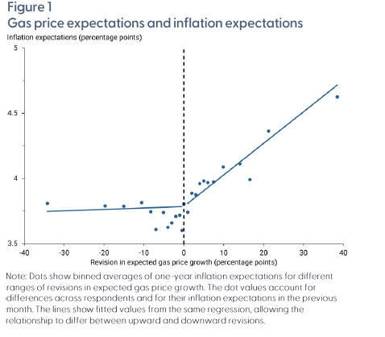
0 | 3.805528602
0.98444873 | 3.741387248
1.9933999 | 3.886919947
2.9942269 | 3.875971254
3.9947026 | 3.961865372
4.9990287 | 3.981421006
5.9918919 | 3.968478991
7.4801788 | 3.973882832
9.8885698 | 4.088160428
14.068604 | 4.112825343
16.585775 | 3.991947458
21.260588 | 4.363007121
38.49894 | 4.625007802

Figure 2
Figure 2 in FRBSF Economic Letter 2026-24, "Consumer Vibe Check: Gas Prices and Inflation Expectations."
https://www.frbsf.org/research-and-insights/publications/economic-letter/2026/08/consumer-vibe-check-gas-prices-and-inflation-expectations/
Suggested citation:
Kim, Taerin, and Yeji Sung. 2026. "Consumer Vibe Check: Gas Prices and Inflation Expectations." FRBSF Economic Letter 2026-24 (August 31). https://www.frbsf.org/research-and-insights/publications/economic-letter/2026/08/consumer-vibe-check-gas-prices-and-inflation-expectations/
Opinions expressed do not necessarily reflect the views of the management of the Federal Reserve Bank of San Francisco or the Board of Governors of the Federal Reserve System.
Expected Gas Price Growth Revision (percentage points) | Inflation Uncertainty
-34.708572 | 0.9001639511
-20.060987 | 0.87024316905
-15.194013 | 0.87482682632
-12.639193 | 0.8545594533
-10.052852 | 0.87070721234
-8.2692881 | 0.84093012873
-7.0023193 | 0.84744998772
-5.0943999 | 0.85316741606
-4.0053773 | 0.81444737407
-3.0030339 | 0.82057580884
-2.0057006 | 0.83788255335
-1.0046647 | 0.81952143328
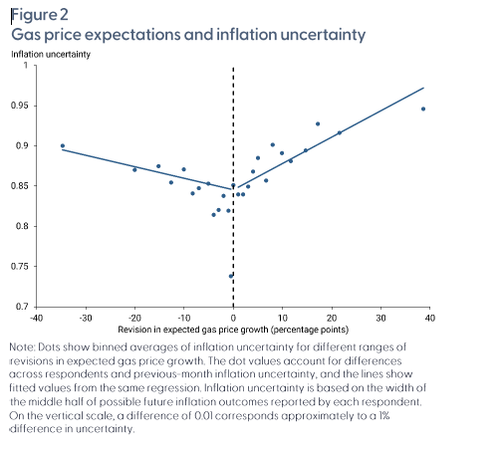
-0.49719298 | 0.73809467534
0 | 0.85126678201
0.98459637 | 0.83981423514
1.9934894 | 0.83975044964
2.9940057 | 0.84955661169
3.9938245 | 0.86817210433
4.9990177 | 0.88493788642
6.655302 | 0.85702750267
7.9934721 | 0.90151107634
9.8940392 | 0.8910421479
11.67388 | 0.88106740838
14.685169 | 0.89429727622
17.173334 | 0.92737311464
21.547495 | 0.91623917349
38.628288 | 0.94599054652

Figure 3
Figure 3 in FRBSF Economic Letter 2026-24, "Consumer Vibe Check: Gas Prices and Inflation Expectations."
https://www.frbsf.org/research-and-insights/publications/economic-letter/2026/08/consumer-vibe-check-gas-prices-and-inflation-expectations/
Suggested citation:
Kim, Taerin, and Yeji Sung. 2026. "Consumer Vibe Check: Gas Prices and Inflation Expectations." FRBSF Economic Letter 2026-24 (August 31). https://www.frbsf.org/research-and-insights/publications/economic-letter/2026/08/consumer-vibe-check-gas-prices-and-inflation-expectations/
Opinions expressed do not necessarily reflect the views of the management of the Federal Reserve Bank of San Francisco or the Board of Governors of the Federal Reserve System.
Under 50k: Expected Gas Price Growth Revision (percentage points) | Under 50k: Inflation Expectations (percentage points) | 50k to 100k: Expected Gas Price Growth Revision (percentage points) | 50k to 100k: Inflation Expectations (percentage points) | Over 100k: Expected Gas Price Growth Revision (percentage points) | Over 100k: Inflation Expectations (percentage points)
-34.12851 | 3.9094000574 | -33.835304 | 3.7213243233 | -33.478302 | 3.7954537903
-20.409014 | 4.0294565456 | -16.885378 | 3.7970749032 | -19.455046 | 3.6612622222
-15.508849 | 3.7581527496 | -10.536502 | 3.796306876 | -15 | 3.6852166233
-12.659011 | 3.4370326106 | -9.0049381 | 3.4803701617 | -10.554801 | 3.7104024304
-10.059019 | 4.0079741729 | -8.0011444 | 4.1520850116 | -8.2791166 | 3.7006803773
-8.2528753 | 3.5190429496 | -6.6463904 | 3.4953727298 | -7.0031118 | 3.7480740773
-7.0010824 | 3.5521095514 | -5.0002136 | 3.7590020736 | -5.0911679 | 3.6766360067
-5.0984282 | 3.7757033532 | -4.0027614 | 3.6101118425 | -4.0065575 | 3.4622419641
-4.0083332 | 3.776267202 | -3.0029886 | 3.7494440919 | -3.0024226 | 3.6272327825
-3.0028019 | 3.5734745643 | -2.0043831 | 3.6903660529 | -2.005949 | 3.7805347181
-2.0063064 | 3.6403832384 | -1.0047125 | 3.7150295729 | -1.0043725 | 3.7928540729
-1.0045786 | 3.6131978876 | -0.45384616 | 3.773377654 | -0.51249999 | 3.6952940354
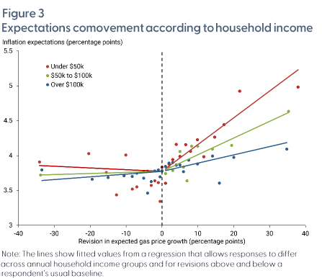
-0.52634144 | 3.3444055173 | 0 | 3.7739843223 | 0 | 3.7834165112
0 | 3.8341344556 | 0.98373932 | 3.7424431287 | 0.98690379 | 3.8435960831
0.98322505 | 3.6035507211 | 1.9943911 | 3.8358777736 | 1.9940299 | 3.8938990686
1.9914204 | 3.8797734864 | 2.9960139 | 3.7869469448 | 2.9963081 | 3.8997680098
2.9896722 | 3.9431404901 | 3.9934523 | 3.8603149761 | 3.993578 | 3.8651259105
3.9972093 | 4.1606371642 | 4.9985819 | 4.0599248091 | 4.9992867 | 3.8655263138
4.9992442 | 3.9877124411 | 5.9921398 | 3.8339051736 | 5.9925375 | 3.7704120108
6.6397219 | 4.1569984809 | 6.9974298 | 3.637918271 | 7.4617686 | 3.936342956
7.9923468 | 4.0603246448 | 8.2629261 | 4.1354434542 | 9.9070511 | 3.8805330228
9.8812094 | 4.227328706 | 9.999732 | 4.1328630189 | 14.090761 | 3.9925377385
11.664796 | 3.9823137564 | 14.076303 | 4.092519689 | 16 | 3.6052754193
14.678668 | 4.2661857186 | 19.443859 | 4.1472416682 | 20.01984 | 3.9747407872
17.299999 | 4.4423840236 | 35.3074 | 4.6347740396 | 34.803944 | 4.092979493
21.674385 | 4.9231249394
37.955555 | 4.9830095383

